Instructions
Vendor Master Additions, Changes & Reactivations

In order to make any vendor additions, changes or reactivations the appropriate form must be filled out.

New Vendor (Additions)

Please fill out the "New Vendor" form in its entirety.

Note that all payment information needs to be verified for SOX Control purposes, you need to use a phone number independently obtained (google search not via a number emailed to you).

Please submit all of the appropriate forms at the time of submission, W-9, Pcard application, bank account info and any applicable email support.

Who's Who Updates

Please fill out the "Who's Who" form if we are changing the contacts for various communications.

Submit the form attached, as well as any applicable email support.

If there is a major email change, please use the Reactivation or Changes form, a confirmation is needed.

Reactivation or Changes

Please fill out only the appropriate section(s) that are changing.

If changes will effect payables (check mailing address, banking information or major email address change), then a confirmation is required.

Please submit all of the appropriate forms along with, W-9, Pcard application, bank account info and any applicable email support.

What is considered a Major email change?

Has the domain information after the @ changed (i.e. @jakebrake.com)? If the domain after the @ sign is changing, we will need to verbally confirm this change.

Use the Reactivation or Changes form when there is a major change to the email.

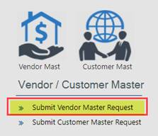

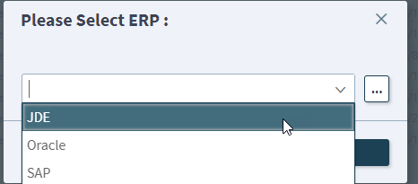

Please note you need to select US even if the vendor is a foreign vendor as this indicates which JDE location.

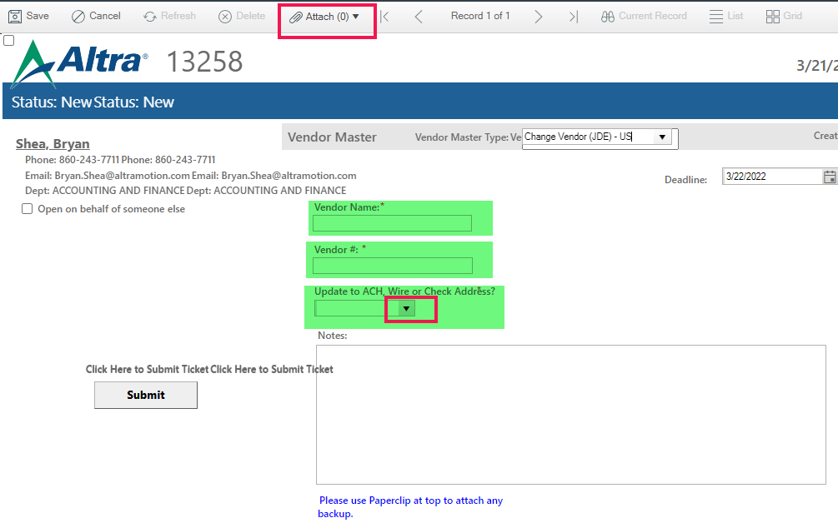

If you click YES to payment change, we will need to verify information. Cherwell only says ACH, Wire or Check, but if it is a change to the PCARD email address, this needs to be verified as well.

